Assignment1
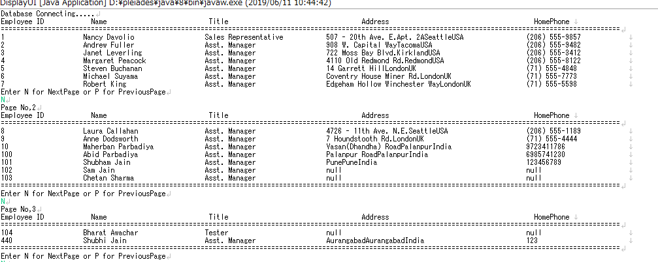
Step's | Description

1 | DisplayRecords is main function

2 | Establishing the connection

3 | Fire query,
 | SELECT EmployeeID, concat(FirstName,' ', LastName) as FullName,Title,concat(Address ,city ,country) as Address,HomePhone FROM employees

4 | For next page enter N and Previous page P

5 | Closing connection

